Sheet1
Quotation Request |  |  |  |  | JOSEPH FAZZIO, INC.
 |  |  |  |  | 2900 GLASSBORO-CROSS KEYS RD.
Quote #: |  |  |  |  | GLASSBORO, NJ 08028
Date Issued: |  | 2011-12-12 |  |  | PHONE: (856) 881-3185
Issued by: |  | Harry Giloley |  |  | FAX: (856) 881-6321
 |  |  |  |  | EMAIL:LC@JOSEPHFAZZIOINC.COM

VENDOR: |  |  |  |  | VENDOR No:
 | Mobile |  |  |  | Email:
 | Tel |  |  |  | Fax
ATTN:

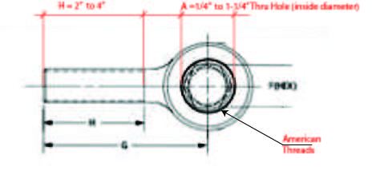
LINE | PART # | DESCRIPTION |  | Thread length (H) | QTY (PCS) | WT | TOTAL
 | Heim Joint
1 |  | Heim Joint (Male) 1/4" Thru Hole (American) |  | 2" to 4"
2 |  | Heim Joint (Male) 3/8" Thru Hole (American) |  | 2" to 4"
3 |  | Heim Joint (Male) 1/2" Thru Hole (American) |  | 2" to 4"
4 |  | Heim Joint (Male) 5/8" Thru Hole (American) |  | 2" to 4"
5 |  | Heim Joint (Male) 3/4" Thru Hole (American) |  | 2" to 4"
6 |  | Heim Joint (Male) 1" Thru Hole (American) |  | 2" to 4"
7 |  | Heim Joint (Male) 1-1/4" Thru Hole (American) |  | 2" to 4"
 |  |  |  |  | SUBTOTAL | 10,000
 | Pillow Block |  |  |  |  | WT/PC (LBS)
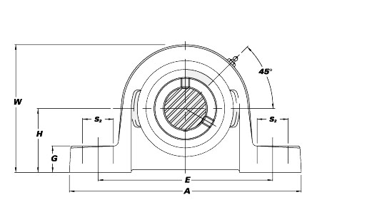
 |  | Unite No. | Shaft Dia
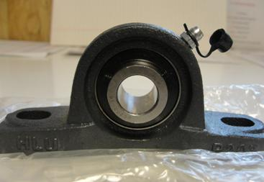
8 |  | UCP204-12 | 3/4" |  |  | 1.60
9 |  | UCP205-16 | 1" |  |  | 2.00
10 |  | UCP207-20 | 1-1/4" |  |  | 4.00
11 |  | UCP208-24 | 1-1/2" |  |  | 5.00
12 |  | UCP211-32 | 2" |  |  | 8.80
 |  |  |  |  | SUBTOTAL | 5,000
 |  |  |  |  |  | TAX | 0.00
 |  |  |  |  |  | FREIGHT | 0.00
 |  |  |  |  |  | TOTAL | 0.00
ADDITIONAL NOTES:
 |  | Seller will send hard copy of invoice directly to billing address.
 |  | Upon receipt of delivery, if items are damaged, return/exchange will be at costs of seller.
 |  | Buyer and seller agrees to items and costs on this purchase order.
 |  | There is no charge for freight/fuel. All items delivered on back order if any will not have freight/fuel surcharge.
 |  | Order acknowledgement required from seller via electronic reply to buyer and PO_Confirmation@josephfazzioinc.com

SHIPPING ADDRESS: |  | JOSEPH FAZZIO INC. |  |  | BILLING ADDRESS: | JOSEPH FAZZIO INC.
 |  | 2900 GLASSBORO-CROSS KEYS RD. |  |  |  | 2760 GLASSBORO-CROSS KEYS RD.
 |  | GLASSBORO, NJ 08028 |  |  |  | GLASSBORO, NJ 08028

BUYER: |  |  |  |  |  | DATE:

SELLER: |  |  |  |  |  | DATE:

